default_1
Compound ID | SMILES | Structure | Tanimoto similarity
NCGC00113052 | CCC1=CC2=C(S1)C=C3[N]2\C(=N/N(CCCC(=O)NCC4=C(Cl)C=CC=C4)C3=O)CC | 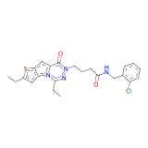 | 0.85416668653
NCGC00113050 | CCCOC1=CC=C(CNC(=O)CCCN2\N=C/[N]3C(=CC4=C3C=C(CC)S4)C2=O)C=C1 | 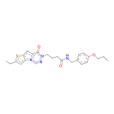 | 0.84320557117
NCGC00112948 | CCC/1=N/N(CC(=O)NCC2=CC(=C(OC)C=C2)OC)C(=O)C3=CC4=C(C=C(C)S4)[N]13 | 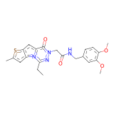 | 0.83333331347
NCGC00113046 | CCC1=CC2=C(S1)C=C3[N]2\C=N/N(CCCC(=O)NCC4=CC=CC(=C4)Cl)C3=O | 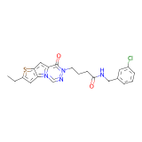 | 0.82206404209
NCGC00115038 | CCN(C1=CC=CC=C1)[S+]([O-])(=O)C2=CC=C(NC(=O)C3=C(Cl)C=NC(=N3)[S+](C)([O-])=O)C=C2 | 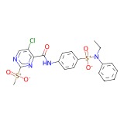 | 0.96982759237
NCGC00117298 | CC(C)SC1=NC(=C(Cl)C=N1)C(=O)NC2=CC=C(C=C2)[S+]([O-])(=O)N(C)C3=CC=CC=C3 | 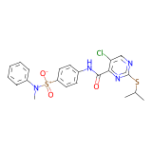 | 0.91703057289
NCGC00115433 | CCCSC1=NC(=C(Cl)C=N1)C(=O)NC2=CC=C(C=C2)[S+]([O-])(=O)N(C)C3=CC=CC=C3 | 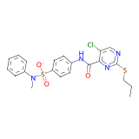 | 0.91304349899
NCGC00115012 | CC[S+]([O-])(=O)C1=NC(=C(Cl)C=N1)C(=O)N2CCN(CC2)C3=CC=C(OC)C=C3 | 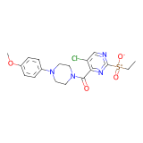 | 0.89861750603
NCGC00117296 | CCN(C1=CC=CC=C1)[S+]([O-])(=O)C2=CC=C(NC(=O)C3=C(Cl)C=NC(=N3)SC(C)C)C=C2 | 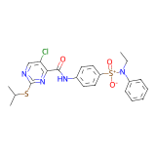 | 0.88983052969
NCGC00115363 | CCCSC1=NC(=C(Cl)C=N1)C(=O)N2CCN(CC2)C3=CC(=CC=C3)Cl | 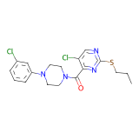 | 0.84390246868
NCGC00141445 | CCCS(=O)(=O)C1=NC=C(Cl)C(=N1)C(=O)N2CCN(CC2)C3=CC=C(OC)C=C3 | 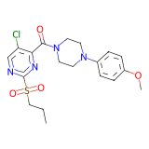 | 0.80000001192
NCGC00115006 | CC[S+]([O-])(=O)C1=NC(=C(Cl)C=N1)C(=O)NC2=CC=CC=C2 | 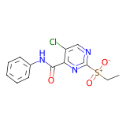 | 0.79342722893
NCGC00115369 | CCCSC1=NC(=C(Cl)C=N1)C(=O)N2CCN(CC2)C3=CC=C(OC)C=C3 | 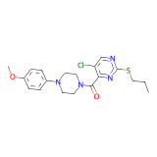 | 0.76712328196
NCGC00115140 | CCSC1=NC=C(Cl)C(=N1)C(=O)N2CCN(CC2)C3=CC=C(OC)C=C3 | 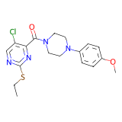 | 0.7649769783
NCGC00115114 | COC1=CC=C(C=C1)N2CCN(CC2)C(=O)C3=NC(=NC=C3Cl)SC | 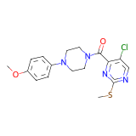 | 0.75576037169
NCGC00115110 | COC1=CC=CC=C1N2CCN(CC2)C(=O)C3=NC(=NC=C3Cl)SC | 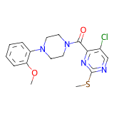 | 0.72888886929
NCGC00401528 | CC(C)C[C@@H]1N[C@@H](CC2=C[N](CC3=NOC(=C3)C)C4=C2C1=CC=C4)C(=O)NCC5=CC=C(C)O5 | 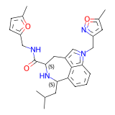 | 0.98795181513
NCGC00421500 | CCCNC(=O)[C@@H]1CC2=C[N](CC3=NOC(=C3)C)C4=C2C(=CC=C4)[C@H](CC(C)C)N1 | 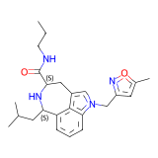 | 0.93927127123
NCGC00396836 | CC(C)C[C@@H]1N[C@@H](CC2=C[N](CC3=NOC(=C3)C)C4=C2C1=CC=C4)C(=O)NC(C)C | 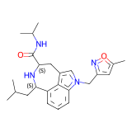 | 0.93927127123
NCGC00392825 | CC(C)C[C@@H]1N[C@@H](CC2=C[N](CC3=NOC(=C3)C)C4=C2C1=CC=C4)C(=O)NCCN(C)C | 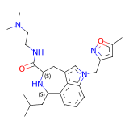 | 0.93172693253
NCGC00396408 | CC(C)C[C@@H]1N[C@@H](CC2=C[N](CC3=NOC(=C3)C)C4=C2C1=CC=C4)C(=O)NCCNC(C)=O | 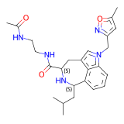 | 0.93172693253
NCGC00401855 | CC(C)C[C@@H]1N[C@@H](CC2=C[N](CC3=NOC(=C3)C)C4=C2C1=CC=C4)C(=O)NC5CCC5 | 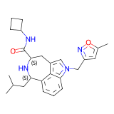 | 0.9279999733
NCGC00391558 | CC(C)C[C@@H]1N[C@@H](CC2=C[N](CC3=NOC(=C3)C)C4=C2C1=CC=C4)C(=O)NCC#C | 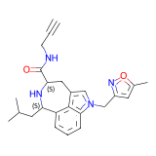 | 0.9279999733
NCGC00401853 | CC(C)C[C@@H]1N[C@@H](CC2=C[N](CC3=NOC(=C3)C)C4=C2C1=CC=C4)C(=O)N5CCN(CC5)C(C)=O | 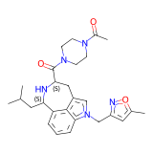 | 0.92430281639
NCGC00392474 | CC(C)C[C@@H]1N[C@@H](CC2=C[N](CC3=NOC(=C3)C)C4=C2C1=CC=C4)C(=O)NCC=C | 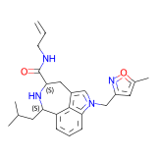 | 0.92430281639
NCGC00397128 | CC1=CC=C(CN2C(=O)[C@@H]3C[C@@H](O)CN3C4(CN(CC(C)(C)C)C4)C2=O)O1 | 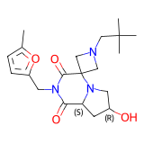 | 0.90659338236
NCGC00397173 | CC(C)CN1CC2(C1)N3C[C@H](O)C[C@H]3C(=O)N(CC4=CC=C(C)O4)C2=O | 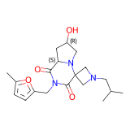 | 0.90659338236
NCGC00397168 | CC(C)N1CC2(C1)N3C[C@H](O)C[C@H]3C(=O)N(CC4=CC=C(C)O4)C2=O | 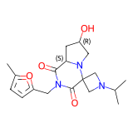 | 0.90659338236
NCGC00397179 | CC(C)CCN1CC2(C1)N3C[C@H](O)C[C@H]3C(=O)N(CC4=CC=C(C)O4)C2=O | 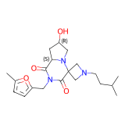 | 0.90163934231
NCGC00397154 | CC(=O)N1CCC(CC1)N2CC3(C2)N4C[C@H](O)C[C@H]4C(=O)N(CC5=CC=C(C)O5)C3=O | 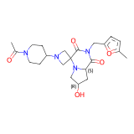 | 0.90163934231
NCGC00397133 | CC1=CC=C(CN2C(=O)[C@@H]3C[C@@H](O)CN3C4(CN(C4)C5CCC(F)(F)CC5)C2=O)O1 | 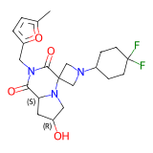 | 0.87244898081
NCGC00460062 | COC1=CC(=CC=C1)C(=O)N2CCC(CC2)N3C[C@H](O)C[C@H]3C(=O)NCC4=CC=C(C)O4 | 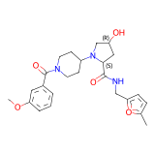 | 0.81909549236
NCGC00397156 | CC1=CC=C(CN2C(=O)[C@@H]3C[C@@H](O)CN3C4(CN(CC5=CC=CS5)C4)C2=O)O1 | 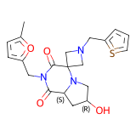 | 0.80582523346
NCGC00416740 | FC1=CC=CC=C1C2=NC=CC3=C2OC(=CC3=O)C4=CC=CN=C4 | 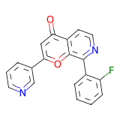 | 0.8651162982
NCGC00416749 | COC1=CC=C(C(=C1)C)C2=NC=CC3=C2OC(=CC3=O)C4=CC=CC=N4 | 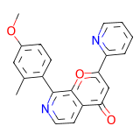 | 0.81981980801
NCGC00521875 | OC1=CC=C(C=C1F)C2=C3OC(=C/C(=O)C3=CC=N2)\C4=CC=CC=C4 | 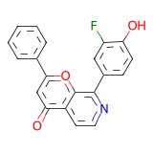 | 0.80555558205
NCGC00416751 | O=C1C=C(OC2=C1C=CN=C2C3=C[NH]N=C3)C4=CC=CC=N4 | 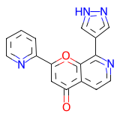 | 0.80365294218
NCGC00416750 | FC1=CC=C(C=C1Cl)C2=NC=CC3=C2OC(=CC3=O)C4=CN=CC=N4 | 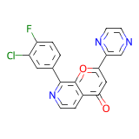 | 0.7922077775
NCGC00416635 | FC1=CC=CC(=C1)C2=NC=CC3=C2OC(=CC3=O)C4=CC=CN=C4 | 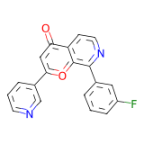 | 0.78125
NCGC00416710 | COC1=CC=CC(=C1C2=NC=CC3=C2OC(=CC3=O)C4=CC=CC=N4)Cl | 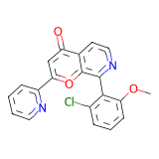 | 0.77872341871
NCGC00416715 | CC(=O)NC1=CC=CC=C1C2=NC=CC3=C2OC(=CC3=O)C4=CC=CC=N4 | 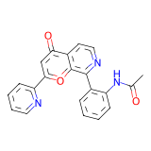 | 0.7735042572
NCGC00510371 | O=C1\C=C(OC2=C1C=CN=C2C3=CC=CC=C3)\C4=CN=CC=C4 | 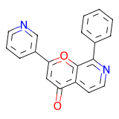 | 0.76744186878
NCGC00422008 | NC1=NC2=C(S1)C(CC(=O)N2)C3=CC(=CC=C3)F | 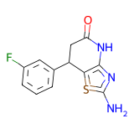 | 0.95154184103
NCGC00422016 | CNC1=NC2=C(S1)C(CC(=O)N2)C3=CC=CC=C3F | 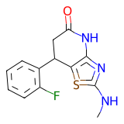 | 0.94849783182
NCGC00422010 | NC1=NC2=C(S1)C(CC(=O)N2)C3=C(F)C=C(F)C=C3 | 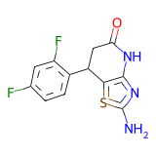 | 0.94849783182
NCGC00422013 | CNC1=NC2=C(S1)C(CC(=O)N2)C3=CC=CC(=C3)F | 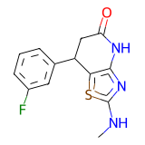 | 0.92703860998
NCGC00422015 | CNC1=NC2=C(S1)C(CC(=O)N2)C3=CC=C(F)C(=C3)F | 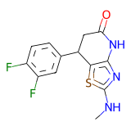 | 0.91525423527
NCGC00591920 | FC1=CC=CC(C2CC(=O)NC3=C2SC(=N3)N4CCCCC4)=C1F | 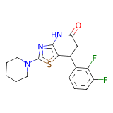 | 0.90799999237
NCGC00431152 | O=C(CCC1=CON=C1C2=CC=CC=C2)NCC3=CC=CO3 | 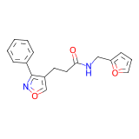 | 0.91712707281
NCGC00431190 | CC1=CC=CC(=C1)CNC(=O)CCC2=CON=C2C3=CC=C(F)C=C3 | 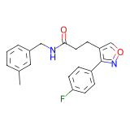 | 0.81283420324
NCGC00431146 | FC1=C(CNC(=O)CCC2=CON=C2C3=CC=CC=C3)C=CC=C1 |  | 0.80319148302
NCGC00431200 | CC1=CC(=C(C)C=C1)CNC(=O)CCC2=CON=C2C3=CC=C(F)C=C3 |  | 0.796875
NCGC00431154 | CC(NC(=O)CCC1=CON=C1C2=CC=CC=C2)C3=CC=C(F)C=C3 |  | 0.78645831347
NCGC00431174 | CC1=CC=CC(=C1)C2=NOC=C2CCC(=O)NCC3=C(F)C=CC=C3 |  | 0.78238344193
NCGC00431202 | FC1=CC=C(C=C1)C2=NOC=C2CCC(=O)NCC3=CC(=CC=C3)Br |  | 0.7806122303
NCGC00431214 | FC1=CC=C(CNC(=O)CCC2=CON=C2C3=CC(=CC=C3)F)C=C1 |  | 0.77948719263
NCGC00431182 | CC(NC(=O)CCC1=CON=C1C2=CC(=CC=C2)C)C3=CC=C(F)C=C3 |  | 0.77040815353
NCGC00470075 | FC1=CC=C(CN2C(=O)C3=CC=N[N]3C4=C2C=C(C=C4)C(=O)NCC5=CC=CO5)C=C1 |  | 0.93965518475
NCGC00433536 | CCN(CC)C(=O)C1=CC2=C(C=C1)[N]3N=CC=C3C(=O)N2CC4=CC=C(OC)C=C4 |  | 0.84120172262
NCGC00470068 | COCCCNC(=O)C1=CC2=C(C=C1)[N]3N=CC=C3C(=O)N2CC4=CC=CC=C4 |  | 0.8347826004
NCGC00470077 | CNC(=O)C1=CC2=C(C=C1)[N]3N=CC=C3C(=O)N2CC4=CC=C(OC)C=C4 |  | 0.8318965435
NCGC00433538 | CCCCNC(=O)C1=CC2=C(C=C1)[N]3N=CC=C3C(=O)N2CC4=CC(=CC=C4)OC |  | 0.8277310729
NCGC00433528 | O=C(NC1CCCC1)C2=CC3=C(C=C2)[N]4N=CC=C4C(=O)N3CC5=CC=CC=C5 |  | 0.82478630543
NCGC00433548 | FC1=CC=C(CN2C(=O)C3=CC=N[N]3C4=C2C=C(C=C4)C(=O)NCC5=CC=CC=C5)C=C1 |  | 0.82403433323
NCGC00470067 | O=C(NCC1=CN=CC=C1)C2=CC3=C(C=C2)[N]4N=CC=C4C(=O)N3CC5=CC=CC=C5 |  | 0.82403433323
NCGC00433533 | COCCCNC(=O)C1=CC2=C(C=C1)[N]3N=CC=C3C(=O)N2CC4=CC=C(OC)C=C4 |  | 0.82083332539
NCGC00611969 | CC1=CC=C(O1)C2=NN(C=C2CNCC3=NOC(C)=C3)C4=CC=CC=C4 |  | 0.8097165823
NCGC00606183 | CC1=CC=C(O1)C2=NN(C=C2C(=O)NCC3=CC(F)=C(O)C=C3)C4=CC=CC=C4 |  | 0.78846156597
NCGC00610700 | CC1=CC=C(O1)C2=NN(C=C2C(=O)NCC3=CC=CC=C3)C4=CC=CC=C4 |  | 0.7808765173
NCGC00472787 | COC1=CC=C(CNC(=O)[C@H]2CCC[C@H]2NC(=O)C3=CC=C(OC)C=C3)C=C1 |  | 0.80128204823
NCGC00472778 | COC1=CC=C(C=C1)C(=O)N[C@@H]2CCC[C@@H]2C(=O)N(C)CC3=CC=CC=C3 |  | 0.79746836424
NCGC00472805 | CCC1=CC=C(CNC(=O)[C@H]2CCC[C@H]2NC(=O)C3=CC=C(OC)C=C3)C=C1 |  | 0.79245281219
NCGC00472669 | CCNC(=O)[C@H]1CCC[C@H]1NC(=O)C2=CC=C(OC)C=C2 |  | 0.78709679842
NCGC00472670 | COC1=CC=C(C=C1)C(=O)N[C@@H]2CCC[C@@H]2C(=O)NC(C)C |  | 0.78709679842
NCGC00475376 | CC(C)C1=NN=C2C=CC(=N[N]12)NCC3=CC=C(C)O3 |  | 0.94623655081
NCGC00494782 | CCC1=CC=C(C=C1)C2=N[N]3CCCN(CC3=C2)C(=O)CCC4=CC(=NO4)Cl |  | 0.86415094137
NCGC00676858 | CC1(CN2N=C(C=C2C(=O)N1CCCC3=CC=CC=C3)C4=CC=CO4)C(=O)NC5CCCCC5 |  | 0.69774919748
NCGC00676935 | CC(C)CCN1C(=O)C2=CC(=NN2CC1(C)C(=O)NC3CCCCCC3)C4=CC=CO4 |  | 0.69480520487
NCGC00675648 | CCC1=CC=C(CN2C(=O)C3=CC(=NN3CC2(C)C(=O)NCCC(C)C)C4=CC=CO4)C=C1 |  | 0.69131833315
NCGC00496493 | CCCNC(=O)C1CCCCC2=NN=C([N]12)C3=CC=CC=C3 |  | 0.83181816339
NCGC00531974 | O=C(NCC1=CC=CC=C1)C2CCC3=NN=C([N]23)C4=CC=CC=C4 |  | 0.82300883532
NCGC00496502 | O=C(C1CCCCC2=NN=C([N]12)C3=CC=CC=C3)N4CCCC4 |  | 0.8097345233
NCGC00496497 | COCCCNC(=O)C1CCCCC2=NN=C([N]12)C3=CC=CC=C3 |  | 0.80349344015
NCGC00496496 | CCOCCCNC(=O)C1CCCCC2=NN=C([N]12)C3=CC=CC=C3 |  | 0.80000001192
NCGC00532064 | ClC1=CC=CC=C1CNC(=O)C2CCC3=NN=C([N]23)C4=CC=CC=C4 |  | 0.79914528131
NCGC00496494 | CN1CCN(CC1)C(=O)C2CCCCC3=NN=C([N]23)C4=CC=CC=C4 |  | 0.79912662506
NCGC00505734 | CN(CC1=CC=CC=C1)C(=O)C2=CC(=NC3=C2C=N[N]3C)C4=CC=C(C=C4)C(F)(F)F |  | 0.87224668264
NCGC00505714 | C[N]1N=CC2=C1N=C(C=C2C(=O)NCC3=CC=C(C=C3)C(F)(F)F)C4=CC=C(C=C4)C(F)(F)F |  | 0.87168139219
NCGC00505624 | C[N]1N=CC2=C1N=C(C=C2C(=O)NCC3=CC=CC=C3)C4=CC=C(C=C4)C(F)(F)F |  | 0.87168139219
NCGC00505715 | C[N]1N=CC2=C1N=C(C=C2C(=O)NCC3=CC=CC(=C3)C(F)(F)F)C4=CC=C(C=C4)C(F)(F)F |  | 0.86026203632
NCGC00505626 | COC1=CC=C(CNC(=O)C2=CC(=NC3=C2C=N[N]3C)C4=CC=C(C=C4)C(F)(F)F)C=C1 |  | 0.85593217611
NCGC00505668 | CCCCCNC(=O)C1=CC(=NC2=C1C=N[N]2C)C3=CC=C(C=C3)C(F)(F)F |  | 0.85344827175
NCGC00500352 | CN(CC1=CC=CC=C1)C(=O)C2=CC(=NC3=C2C=N[N]3C)C4=CC=CC(=C4)C(F)(F)F |  | 0.85281383991
NCGC00505660 | C[N]1N=CC2=C1N=C(C=C2C(=O)NCC(F)(F)F)C3=CC=C(C=C3)C(F)(F)F |  | 0.85217392445
NCGC00505661 | C[N]1N=CC2=C1N=C(C=C2C(=O)NCC(F)F)C3=CC=C(C=C3)C(F)(F)F |  | 0.85217392445

